URP
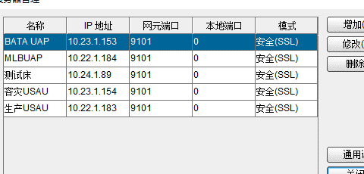
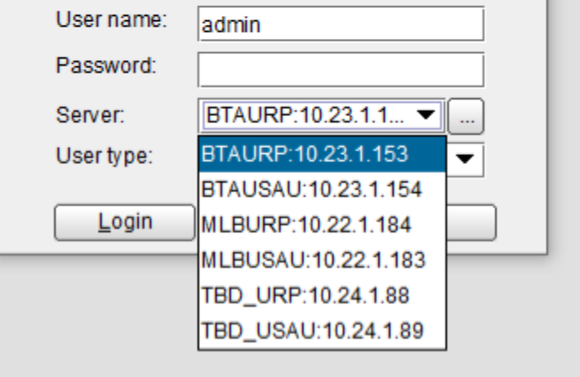
Site | NE | OS User | OS UserPassword | Site | NE | OS User | 10.22.1.184
PR USAU | USAU LMT | Administrator | Huawei12#$ | PR URP | URPLMT | Administrator | Huawei12#$
 |  | system | omu@Pass |  |  | system | omu@Pass
 |  | admin | Huawei12#$ |  |  | admin | wsxWSX12#$
 | USAU OMU | omu | omu_Pass |  | URP OMU | omu | omu_Pass
 | USAU PMU | omu | Huawei_1 |  | URP PMU | omu | Huawei_1
 | gassueDB |  |  |  | gassueDB

Site | NE | OS User | OS UserPassword | Site | NE | OS User | OS UserPassword
DR USAU | USAU LMT | Administrator | Huawei12#$ | DR | URP LMT | Administrator | Huawei12#$
 |  | system | omu@Pass |  |  | system | Huawei12#$
 |  | admin | omu@Pass |  |  | admin | wsxWSX12#$
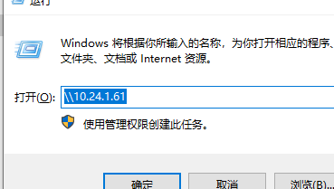
 | BTAUSAUNMU1 BTAUSAUNMU2 | omu | omu_Pass |  | URP OMU | omu | omu_Pass
 |  | sftp | sftp@Pass
 |  | root | Changeme_123
 | BTAUSAUPMU1 BTAUSAUPMU2 | omu | Huawei_1 |  | URP PMU | omu | Huawei_1
 |  | sftp
 |  | root | Changeme_123
 | gassueDB | OMU | cgp_Pass |  | gassueDB
 |  | CGP | cgp_Pass
 |  |  |  |  |  |  |  |  | 测试床 samba

Site | NE | OS User | 10.24.1.89 | Site | NE | OS User | 10.24.1.90 TBDURP2NMU | 10.24.1.88 TBDURP1NMU
TBD | USAU LMT | Administrator | 1qaz@WSX | TBD | URP LMT | Administrator | 1qaz@WSX | omu@Pass
 |  | admin | Huawei12#$ |  |  | system | Huawei12#$
 |  | 1baiyu | qazQAZ12#$ |  |  | admin | Huawei12#$
 | usauomu后台ssh | root | Changeme_123 |  | URP OMU SSH | omu | omu_Pass
 |  | omu | omu_Pass

Switch
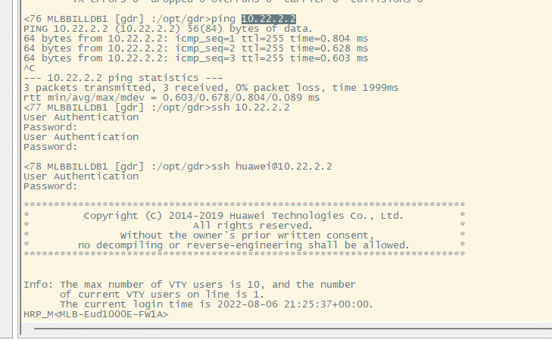
站点 | 设备 | IP | TELNET | SSH | SFTP | CONSOLE
MLB | SW-CE6881-48S-1A | 10.22.1.11 | admin12/Huawei12#$ | sshusr/qazQAZ12#$ |  | -/Changeme_123
 |  |  | admin123/Changeme_123 |  | CE6800/Huawei@123
 | SW-CE6881-48S-1B | 10.22.1.12 | admin12/Huawei12#$ | sshusr | Changeme_123
 |  |  | admin123/Changeme_123 | admin123/Changeme_123
 | SW-CE6881-48S-2A | 10.22.1.13
 |  |  |  | admin123/Changeme_123
 | SW-CE6881-48S-2B | 10.22.1.14
 | SW-CE6881-48S-3A | 10.22.1.15
 | SW-CE6881-48S-3B | 10.22.1.16
 | SW-CE6881-48S-4A | 10.22.1.17
 | SW-CE6881-48S-4B | 10.22.1.18
 | SW-CE6881-48S-5A | 10.22.9.13 | admin123/Changeme_123
 | SW-CE6881-48S-5B | 10.22.9.14
 | FW-Eudemon1000EN3-1A | 10.22.1.21 |  | huawei/Huawei@123 |  | admin /Changeme_123
 | FW-Eudemon1000EN3-1B | 10.22.1.22 |  | huawei/Huawei@123 |  | admin /Changeme_123
BTA | SW-CE6881-48S-1A | 10.23.1.11
 | SW-CE6881-48S-1B | 10.23.1.12
 | SW-CE6881-48S-2A | 10.23.1.13
 | SW-CE6881-48S-2B | 10.23.1.14 | admin123 | Changeme_123 | telnet,ssh
 | SW-CE6881-48S-3A | 10.23.1.1 | admin12 | Huawei12#$ | telnet
 | SW-CE6881-48S-3B | 10.23.1.2 | sshusr | Changeme_123 | ssh
 | FW-Eudemon1000EN3-A | 10.23.2.2 | admin huawei | Changeme_123 Huawei@123 | Console SSH
 | FW-Eudemon1000EN3-B | 10.23.2.3 | admin huawei | Changeme_123 Huawei@123 | Console SSH

VDSPro
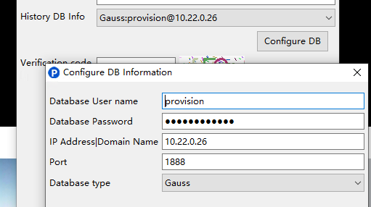
Site | NE | Mode | OS User | OS UserPassword |  | DB User | Topology
PR | WBMPAPP | Dual | wbmpapp | HWbss23% |  |  | 合设 WBMPAPP1A WBMPAPP1B
PR |  |  | wbmpsync | Bmpsyn_1
PR |  |  | wbmpftp | HWbss23%
 |  |  | wbmpback
PR | WBPAdapter |  | wadpt | HWbss23% |  | gmsql MDB_ROUTER_505/Mdb_rou1@ipc
PR |  |  | wadptmdb | HWbss23%
PR |  |  | wadptftp | HWbss23%
PR | WBP | Cluster | wbp | HWbss23% |  |  | 合设 WBP&WINV1A WBP&WINV1B
PR |  |  | wbpftp | HWbss23%
PR | WINV | Cluster | winv | HWbss23%
PR |  |  | winvftp | HWbss23%
PR | WBPMDB | Dual | gmdbapp | HWbss23% |  | gmsql MDB_APP_550/Mdb_app1@ipc | 合设 WBPMDB1A WBPMDB1B
PR |  |  | mdbapp | HWbss23%
PR |  |  | gmdbftp | HWbss23%
PR | PRMDB | Dual(gaussdb双机) |  |  |  | zsql admin/Admin_01@10.22.0.180:1888 -q | 合设 PRMDB1A 10.22.1.164 PRMDB1B
PR |  |  |  |  |  | zsql general/Genera_1@10.22.0.180:1888 -q
PR |  |  | gaussdba | svcGau_179itiADb | MLB密码 | zsql usr_510/Usr_0001@10.22.0.180:1888 -q
PR |  |  | gaussdba |  | BTA密码 | zsql bill_651/Bill_001@10.22.0.180:1888 -q
PR |  |  |  |  |  | zsql edr_601/Edr_0001@10.22.0.180:1888 -q
PR/DR | Prov | Dual | proftp | Changeme_123 |  | zsql sys/Changeme_123@10.22.0.26:1888 -q | 合设
PR/DR |  |  | proweb | Changeme_123 |  | zsql prov/Changeme_123@10.23.0.60:1888 -q
PR/DR |  |  | pro | Changeme_123 |  | zsql METADB_ISA/Changeme_123@10.23.0.60:1888 -q
PR/DR | PICE工具界面 | Dual | admin | Gete5a_Only$3 |  | zsql provision/Changeme_123@10.23.0.60:1888 -q
 |  |  | admin | Gete5a_Only$3 |  | zsql provision/Changeme_123@10.22.0.186:1888 -q
 | VDS | ideploy | admin | Huawei12#$ |  | 10.22.0.62 10.22.1.172 | 默认密码Admin123
PR | Provision | ideploy | admin | Huawei12#$ |  | https://10.22.0.37:18443/
 | 10.22.1.90 |  | dvback | Huawei@123
 | 10.22.1.90 |  | dmtgaming | Huawei12#$

FS
DEVICE | FS IP | FS ACCOUNT |  | IBMC | FS新建的VM的默认密码是Changeme_123
MLB-SV-Taishan2280-1(CBS) | 10.22.5.170 | fsp | Getesa2025 | 10.22.1.36
 |  | root | Huawei@CLOUD8!
 |  | cloud_admin | FusionSphere123
MLB-SV-Taishan 2280-2(CBS) | 10.22.5.177 | fsp | Getesa2025 | 10.22.1.37 Administrator Admin@9000
 |  | root | Huawei@CLOUD8!
 |  | cloud_admin | FusionSphere123
MLB-SV-Taishan 2280-3(CBS) | 10.22.5.171 | fsp | Getesa2025 | 10.22.1.38
 |  | root | Huawei@CLOUD8!
 |  | cloud_admin | FusionSphere123
MLB-SV-Taishan 2280-4(CBS) | 10.22.5.163 | fsp | Getesa2025 | 10.22.1.39
 |  | root | Huawei@CLOUD8!
 |  | cloud_admin | FusionSphere123
MLB-SV-Taishan 2280-5(CBS) | 10.22.5.155 | fsp | Getesa2025 | 10.22.1.40
 |  | root | Huawei@CLOUD8!
 |  | cloud_admin | FusionSphere123
MLB-SV-Taishan 2280-6(CBS) | 10.22.5.173 | fsp | Getesa2025 | 10.22.1.41
 |  | root | Huawei@CLOUD8!
 |  | cloud_admin | FusionSphere123
MLB-SV-Taishan 2280-7(CBS) | 10.22.5.164 | fsp | Getesa2025 | 10.22.1.42
 |  | root | Huawei@CLOUD8!
 |  | cloud_admin | FusionSphere123
MLB-SV-Taishan 2280-8(CBS) | 10.22.5.176 | fsp | Getesa2025 | 10.22.1.43
 |  | root | Huawei@CLOUD8!
 |  | cloud_admin | FusionSphere123
MLB-SV-Taishan 2280-9(CBS) | 10.22.5.167 | fsp | Getesa2025 | 10.22.1.44
 |  | root | Huawei@CLOUD8!
 |  | cloud_admin | FusionSphere123
MLB-SV-Taishan 2280-10(CBS) | 10.22.5.178 | fsp | Getesa2025 | 10.22.1.45
 |  | root | Huawei@CLOUD8!
 |  | cloud_admin | FusionSphere123
MLB-SV-Taishan 2280-11(CBS) | 10.22.5.166 | fsp | Getesa2025 | 10.22.1.46
 |  | root | Huawei@CLOUD8!
 |  | cloud_admin | FusionSphere123
MLB-SV-Taishan 2280-12(CBS) | 10.22.5.162 | fsp | Getesa2025 | 10.22.1.47
 |  | root | Huawei@CLOUD8!
 |  | cloud_admin | FusionSphere123
MLB-SV-Taishan 2280-13(CBS) | 10.22.5.169 | fsp | Getesa2025 | 10.22.1.48
 |  | root | Huawei@CLOUD8!
 |  | cloud_admin | FusionSphere123
MLB-SV-Taishan 2280-14(CBS) | 10.22.5.159 | fsp | Getesa2025 | 10.22.1.49
 |  | root | Huawei@CLOUD8!
 |  | cloud_admin | FusionSphere123 |  | 待找回密码
MLB-SV-Taishan 2280-15(Mediation) | 10.22.5.165 | fsp | Getesa2025 | 10.22.1.50
 |  | root | Huawei@CLOUD8!
 |  | cloud_admin | FusionSphere123 |  | NSphere123
MLB-SV-Taishan 2280-16((DV&DF)) | 10.22.5.179 | fsp | Getesa2025 | 10.22.1.51
 |  | root | Huawei@CLOUD8!
 |  | cloud_admin | FusionSphere123
MLB-SV-Taishan 2280-17((DV&DF)) | 10.22.5.180 | fsp | Getesa2025 | 10.22.1.52
 |  | root | Huawei@CLOUD8!
 |  | cloud_admin | FusionSphere123 |  | cps template-instance-list --service gaussdb gaussdb | grep -i active
MLB-SV-Taishan 2280-18((DV&DF)) | 10.22.5.158 | fsp | Getesa2025 | 10.22.1.53
 |  | root | Huawei@CLOUD8!
 |  | cloud_admin | FusionSphere123
MLB-SV-Taishan 2280-19(VDS&Provision)) | 10.22.5.168 | fsp | Getesa2025 | 10.22.1.54
 |  | root | Huawei@CLOUD8!
 |  | cloud_admin | FusionSphere123
MLB-SV-Taishan 2280-20(VDS&Provision)) | 10.22.5.172 | fsp | Getesa2025 | 10.22.1.55
 |  | root | Huawei@CLOUD8!
 |  | cloud_admin | FusionSphere123
MLB-SV-Taishan 2280-21(VDS&Provision)) | 10.22.5.157 | fsp | Getesa2025 | 10.22.1.56
 |  | root | Huawei@CLOUD8!
 |  | cloud_admin | FusionSphere123
MLB-SV-Taishan 2280-22(VDS&Provision)) | 10.22.5.161 | fsp | Getesa2025 | 10.22.1.57
 |  | root | Huawei@CLOUD8!
 |  | cloud_admin | FusionSphere123
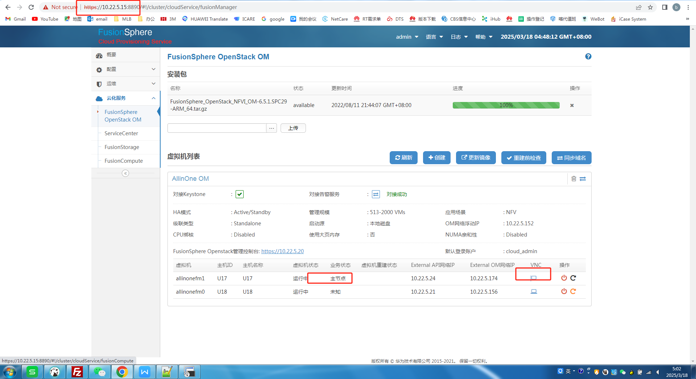
爱数备份一体机 | 10.22.1.59 | SSH登录加固，需要5557端口使用cdpauser用户登录 密码是qazQAZ12#$ 然后切到root/Huawei@CLOUD8! |  | 10.22.1.58 qazQAZ12#$
allinonefm1 | 10.22.5.174 | fsp | Getesa20251
 |  | root | IaaS@OS-CLOUD8! | 虚拟机IP 非物理机IP
allinonefm0 | 10.22.5.156 | fsp | Getesa20251
 |  | root | IaaS@OS-CLOUD8!
DEVICE | FS IP | FS ACCOUNT |  | IBMC
BTA-SV-Taishan 2280-1(CBS) | 10.23.5.173 | fsp | Getesa2025 | 10.23.1.36
 |  | root | Huawei@CLOUD8!
 |  | cloud_admin | FusionSphere123
BTA-SV-Taishan 2280-2(CBS) | 10.23.5.164 | fsp | Getesa2025 | 10.23.1.37
 |  | root | Huawei@CLOUD8!
 |  | cloud_admin | FusionSphere123
BTA-SV-Taishan 2280-3(CBS) | 10.23.5.155 | fsp | Getesa2025 | 10.23.1.38
 |  | root | Huawei@CLOUD8!
 |  | cloud_admin | FusionSphere123
BTA-SV-Taishan 2280-4(CBS) | 10.23.5.167 | fsp | Getesa2025 | 10.23.1.39
 |  | root | Huawei@CLOUD8!
 |  | cloud_admin | FusionSphere123
BTA-SV-Taishan 2280-5(CBS) | 10.23.5.154 | fsp | Getesa2025 | 10.23.1.40 | Query the active node of the backup service
 |  | root | Huawei@CLOUD8! |  | # cps template-instance-list --service backup backup-server
 |  | cloud_admin | FusionSphere123
BTA-SV-Taishan 2280-6(CBS) | 10.23.5.165 | fsp | Getesa2025 | 10.23.1.41
 |  | root | Huawei@CLOUD8!
 |  | cloud_admin | FusionSphere123
SV-Taishan 2280-7(CBS) | 10.23.5.170 | fsp | Getesa2025 | 10.23.1.42
 |  | root | Huawei@CLOUD8!
 |  | cloud_admin | FusionSphere123
BTA-SV-Taishan 2280-8(CBS) | 10.23.5.172 | fsp | Getesa2025 | 10.23.1.43
 |  | root | Huawei@CLOUD8!
 |  | cloud_admin | FusionSphere123
BTA-SV-Taishan 2280-9(CBS) | 10.23.5.162 | fsp | Getesa2025 | 10.23.1.44
 |  | root | Huawei@CLOUD8!
 |  | cloud_admin | FusionSphere123
BTA-SV-Taishan 2280-10(CBS) | 10.23.5.157 | fsp | Getesa2025 | 10.23.1.45
 |  | root | Huawei@CLOUD8!
 |  | cloud_admin | FusionSphere123
BTA-SV-Taishan 2280-11(Mediation) | 10.23.5.161 | fsp | Getesa2025 | 10.23.1.46
 |  | root | Huawei@CLOUD8!
 |  | cloud_admin | FusionSphere123
BTA-SV-Taishan 2280-12(Provision) | 10.23.5.159 | fsp | Getesa2025 | 10.23.1.47
 |  | root | Huawei@CLOUD8!
 |  | cloud_admin | FusionSphere123 |  | 查询首节点
BTA-SV-Taishan 2280-13(DV&DF) | 10.23.5.169 | fsp | Getesa2025 | 10.23.1.48 | cps template-instance-list --service cps cps-server
 |  | root | Huawei@CLOUD8!
 |  | cloud_admin | FusionSphere123
BTA-SV-Taishan 2280-14(DV&DF) | 10.23.5.163 | fsp | Getesa2025 | 10.23.1.49 | 高斯节点
 |  | root | Huawei@CLOUD8!
 |  | cloud_admin | FusionSphere123 |  | cps template-instance-list --service gaussdb gaussdb
BTA-SV-Taishan 2280-15(DV&DF) | 10.23.5.166 | fsp | Getesa2025 | 10.23.1.50 Administrator Admin@9000
 |  | root | Huawei@CLOUD8!
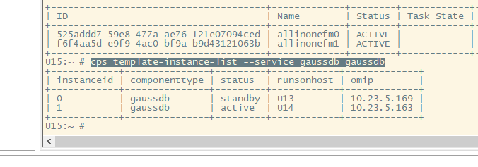
 |  | cloud_admin | FusionSphere123
allinonefm1 10.23.5.171 | 10.23.5.23 | root fsp | IaaS@OS-CLOUD8! | 虚拟机IP 非物理机IP
allinonefm0 10.23.5.158 | 10.23.5.21 |  | Huawei@CLOUD8
BACKUP | 10.23.1.51 | SSH登录加固，需要5557端口使用cdpauser用户登录 密码是qazQAZ12#$ 然后切到root/Cloud12#$ |  | 10.23.1.51 Administrator Admin@9000

DEVICE | FS IP | FS ACCOUNT |  | IBMC
SR-Taishan 2280-1 2U(CBS) | 10.24.5.159 | fsp | qazEDC12#$ | 10.24.1.32
 |  | root | Huawei@CLOUD8!
 |  | cloud_admin | FusionSphere123
SR-Taishan 2280-2 2U(CBS) | 10.24.5.156 | fsp | qazEDC12#$
 |  | root | Huawei@CLOUD8!
 |  | cloud_admin | FusionSphere123 | 10.24.1.33
SR-Taishan 2280-3 2U(DV&DF) | 10.24.5.162 | fsp | qazEDC12#$ | 10.24.1.34 | CPS反向代理IP附着在U3 10.24.5.15
 |  | cloud_admin | wsxWSX12#$
 |  | root | Huawei@CLOUD8!
SR-Taishan 2280-4 2U(DV&DF) | 10.24.5.161 | fsp | qazEDC12#$ | 10.24.1.35
 |  | root | Huawei@CLOUD8!
 |  | cloud_admin | FusionSphere123
SR-Taishan 2280-5 2U(DV&DF) | 10.24.5.163 | fsp | qazEDC12#$ | 10.24.1.36
 |  | root | Huawei@CLOUD8!
 |  | cloud_admin | FusionSphere123
allinonefm0 | 10.24.5.157 | root | IaaS@OS-CLOUD8!
 |  | galaxmanager | Gete5a_Only$4
allinonefm1 | 10.24.5.160 | galaxmanager | Gete5a_Only$4
 |  | root | IaaS@OS-CLOUD8!

 |  | Huawei@CLOUD8!

